Instructions
Provincial Wage Enhancement Application Instructions - Child Care Centre & Home Visitors (2015)

The purpose of these instructions is to support operators in completing their wage enhancement application. If you have
any questions related to your application please contact your Ministry of Education Financial Analyst (FA).
Where non text content has been presented in this document, the user is provided with a text alternative.
Wage enhancement applications must be submitted to the Ministry by June 30, 2015.

You are only required to enter data in the green cells. All calculations in white cells will be performed automatically.

The application form contains 40 rows to allow you to enter data for all eligible individuals/positions. If you require
additional space on your application form please contact your FA.

Please note that definitions/explanations have been included for certain fields to help you complete this form. You can
see these definitions/explanations by clicking on the cell.
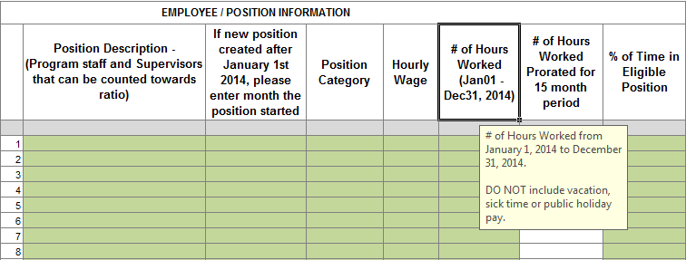

STEP 1: DETERMINE ELIGIBILITY
In order to successfully complete your wage enhancement application you must determine which of the positions in your
licensed child care centre / agency are eligible for the enhancement.

Licensed child care centre positions are eligible for a full wage enhancement of $1 per hour plus 17.5% for statutory
benefits if:
• The position can be counted toward adult to child ratios under the Day Nurseries Act (DNA) this includes:
o Registered Early Childhood Educators;
o Program Staff;
o Supervisors (as approved by the Director in accordance with DNA requirement); and
o Other staff positions that are required to spend a minimum of 25% of the day in a position that can be counted
ratio (this can include cooks, etc.).
• As of December 31, 2014 the position has an associated wage rate of $25.27 per hour or less.

Licensed child care centre / agency positions are eligible for a partial wage enhancement of less than $1 per hour plus
up to 17.5% for statutory benefits if:
• The position is one of the 4 categories listed under the full wage enhancement eligibility above; and
• As of December 31, 2014 the position has an associated wage rate that is between $25.28 per hour and $26.26 per
hour inclusive.

These positions include permanent, full-time, part-time, contract and supply positions.

Please note: program staff are only to be provided with two weeks of vacation pay and no sick time under wage
enhancement. Wage enhancement funding will instead be provided to the supply staff who are filling in for the absent
staff.

Now that you have determined which of the positions in your licensed child care centre / agency qualify for the wage
enhancement you can begin completing the form.

STEP 2: ENTER CENTRE / AGENCY INFORMATION
Open the wage enhancement application form in excel and complete the centre / agency information shown below as
well as a contact person who is able to answer questions in regards to the application form being submitted.

STEP 3: CHILD CARE CENTRE / AGENCY OPERATING INFORMATION

Please enter the number of weeks your centre operated for in 2014. If your centre does not close at all in a year please
indicate 52 weeks. If for example your centre closes in the summer months you may indicate it was open for 44 weeks.
Please also complete the total hours worked in a week (for example 40 hours), operating capacity and total licensed capacity.

STEP 4: MANADATORY BENEFITS

Next proceed to entering the mandatory benefits provided to the employees. The Ministry of Education is funding up to
17.5% for mandatory benefits. There are six benefit categories as noted below:
1) CPP (Canada Pension Plan), funded at 4.95% for employer contribution
2) EI (Employment Insurance), funded at 2.63% for employer contribution, which is 1.4 times the employee contribution
3) WSIB (Workers Safety & Insurance Board), funded at 1.10%. WSIB is optional for certain employers.
4) EHT (Employer Health Tax), funded at 1.23%. Certain employers are exempt.
5) Vacation Pay, funded at 4% of gross pay per the Employment Standards Act.
6) Public Holiday Pay, funded at 3.59%, representing the following 9 days: New Year's Day, Family Day, Good Friday,
Victoria Day, Canada Day, Labour Day, Thanks Giving, Christmas and Boxing Day.

The example below shows the mandatory benefits of a child care centre / agency that does not pay WSIB, is at
the top end of the EHT scale and has a higher public holiday pay rate. As the total is equal to 17.51%, this centre would
be entitled to receive the maximum benefit rate of 17.50% ONLY. Please note: there is flexibility within the benefits
provided they do not exceed 17.5%. E.g. unused EHT can be put towards additional vacation time.

STEP 5: EMPLOYEE INFORMATION
Enter the following information for the eligible positions in the licensed child care centre:
Position Description
This field should contain a description of each position that funding is being applied for. E.g. RECE Infant Room A
If New Position is created from Jan 1 - Dec 31
If a new position has been created due to the expansion of a program during January 1 to December 31, please select
the month the staff began.
Category
From the drop-down listing, please select from the eligible staff categories of RECE, Non-RECE, or Supervisor
If an individual works in a "combined" position, select the category that represents the largest portion of their time. For
example, where an individual works part-time as an RECE 60% of the time, and Supervisor 40% of the time, select
RECE.
Hourly Wage
Hourly wage paid to the employees on an hourly basis as of December 31, 2014. If the employee is on an annual
salary, take the annual salary and divide it by the standard hours of work per year.
If there is a change in wage rate or multiple people filling a position please use the lowest rate associated with the
position as of December 31, 2014.
# of Hours Worked
This field should be limited to hours worked between January 1, 2014 and December 31, 2014 including overtime.
This excludes vacation time, statutory holiday pay and sick time.
% of Time in Eligible Position
If the individual works in an eligible position all the time, please enter 100%. If an individual works as a cook for 70% of
the time and works as a Non-RECE for 30% of the time, include all the time the position worked as both
a cook and as a Non-RECE in the # of Hours Worked and enter 30% in the % of Time in Eligible Position.
Please note that the individual must work at least 25% of the day in a position that can be counted toward adult to
child ratio.

The following table is an illustration of 6 positions at Child Care Centre ABC and of particular interest position # 4
that works 50% of the time in an eligible position.

Once you’ve entered the above information, the application template will generate the following information:
• Eligibility status = partial or full, depending on hourly rate
• Eligibility rate = up to $1.00
• 2015-16 Funded FTE = could be higher than 1.0 if the hours worked exceeds 1,751 hours from Jan 1st to Dec 31st
• 2015-16 salary component of the enhancement = up to $1.00 per hour for hours worked
• 2015-16 benefit component of the enhancement = up to $0.175 per hour for all hours worked, or
applicable percentage for your centre/agency to a maximum of 17.5%
• Total compensation = maximum wage enhancement entitlement which is the sum of the salary and benefit component
The following table is an illustration of the wage enhancement funding for the 4 positions applicable to Child Care Centre
Centre ABC.
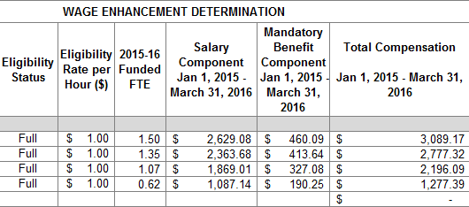

STEP 6: REVIEW OF APPLICATION FORM
Prior to leaving the middle section of the application form, please review the "Summary" section. It contains
a summary of the centre’s / agency's eligible positions and the total funding you are applying for in regards to salaries
and benefits pending approval.

STEP 7: CERTIFICATION
Please complete the certification section stating that the information you have included in the application is accurate by
checking the box and completing your signing authority's information.

STEP 8: SUBMISSION
Submit the completed application to your Ministry of Education by email to tpa.edu.earlylearning@ontario.ca

The information that you have provided is subject to review by the Ministry prior to/or after granting the wage
enhancement funding to the centre / agency.

The Ministry will communicate the approved amount through returning the application form with the bottom portion
of the form completed.

